Planilha1
Burndown Chart Sprint 1

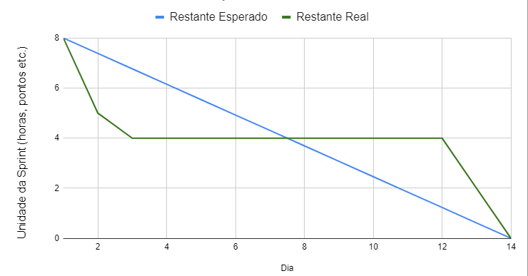
Dia | Etiquetas restantes
1 | 8
2 | 5
3 | 4
4 | 4
5 | 4
6 | 4
7 | 4
8 | 4
9 | 4
10 | 4
11 | 4
12 | 4
13 | 2
14 | 0

